Budget
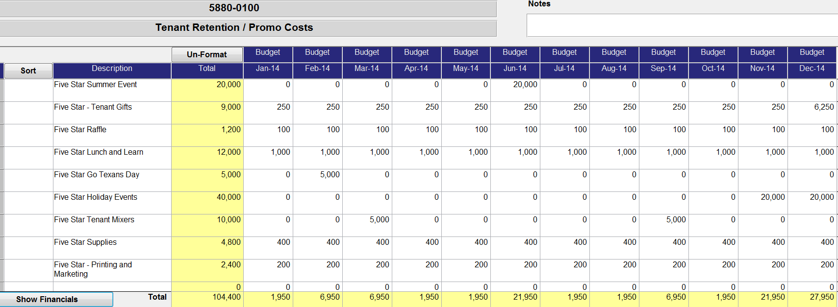

1950 | 6950 | 6950 | 1950 | 1950 | 21950 | 1950 | 1950 | 6950 | 1950 | 21950 | 27950

Lease Expiration Schedule
